BUG005
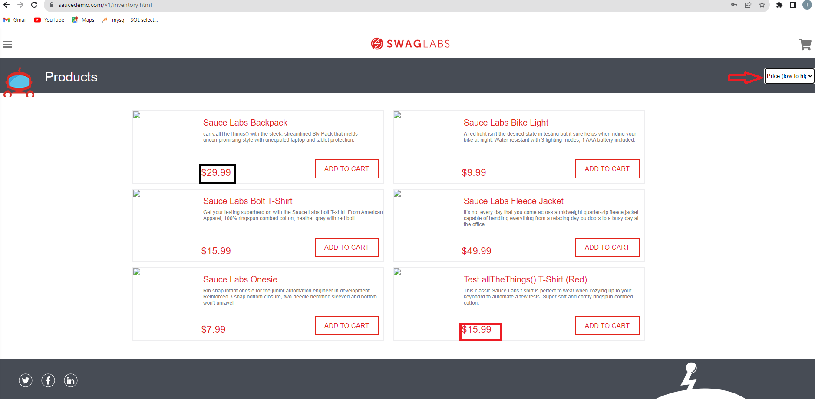
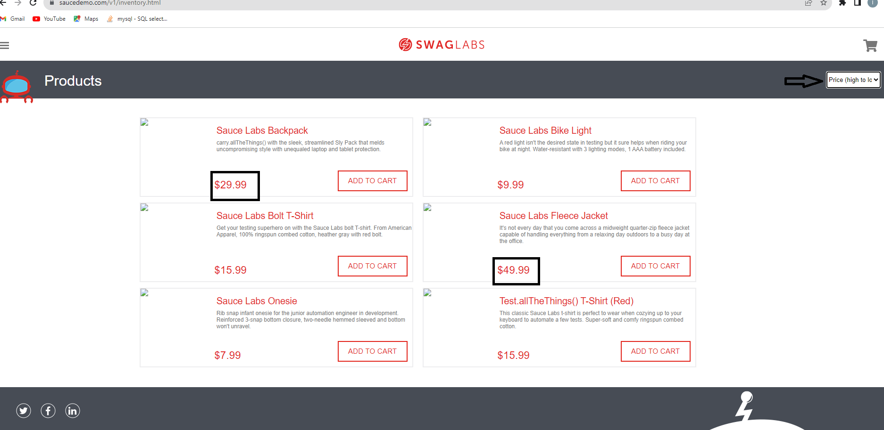
Bug report number | BUG005

Summary | Products are not properly displayed on Inventory page for problem user

Description | Logged in problem user can see all products on Inventory page, but cannot see their pictures. Also user, cannot sort them by alphabetical order, or price, using options from right upper corner drop down menu of the page.

Steps to reproduce
1 | Open: https://www.saucedemo.com/v1/
2 | Login with valid credentials
3 | Choose Name(A to Z) on the right upper corner drop down menu
4 | Choose Name(Z to A) on the right upper corner drop down menu
5 | Choose Price(low to high) on the right upper corner drop down menu
6 | Choose Price(high to low) on the right upper corner drop down menu

Expected result | User can see all products on Inventory page, with every detail about products, including pictures. User can sort products by any of the options given in the right upper corner drop down menu

Actual result | User cannot see pictures of products, and cannot sort them by reverse alphabetical order, or price.

Priority | High

severity | High

Repro rate | 100%
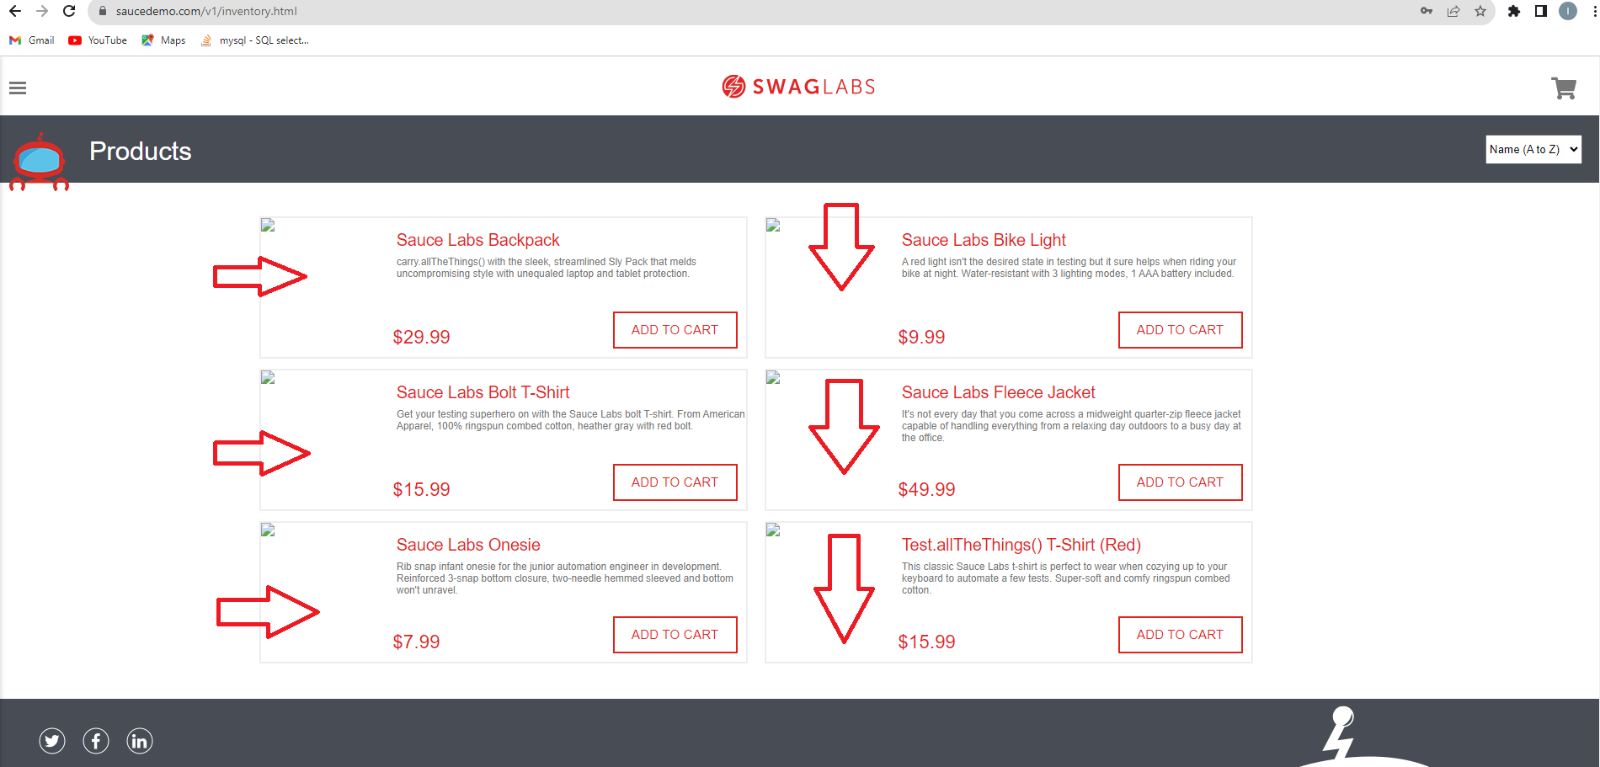
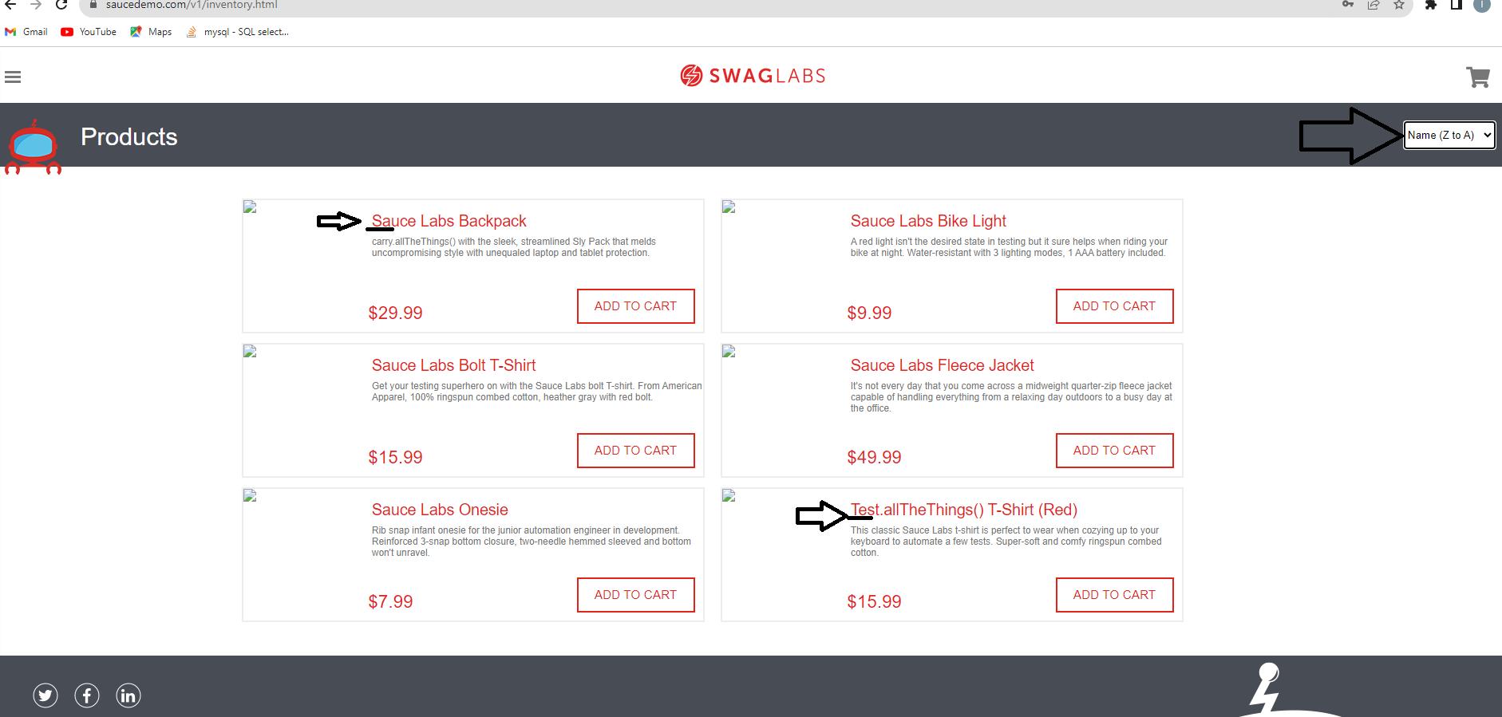
Screenshot

BUG006
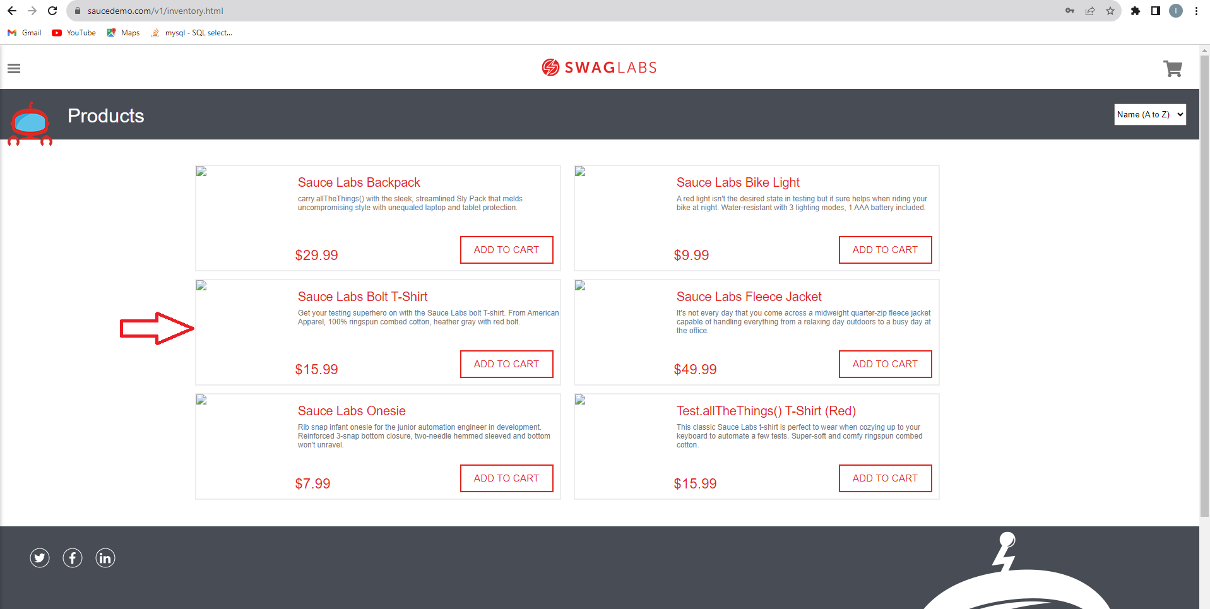
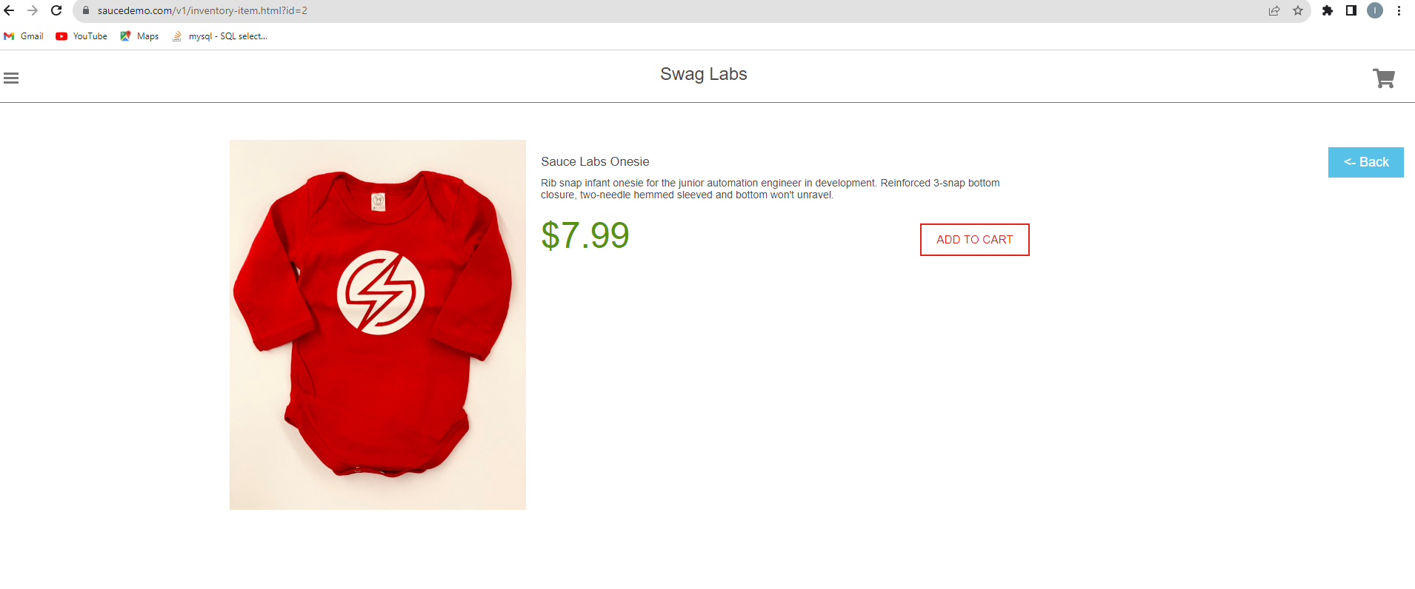
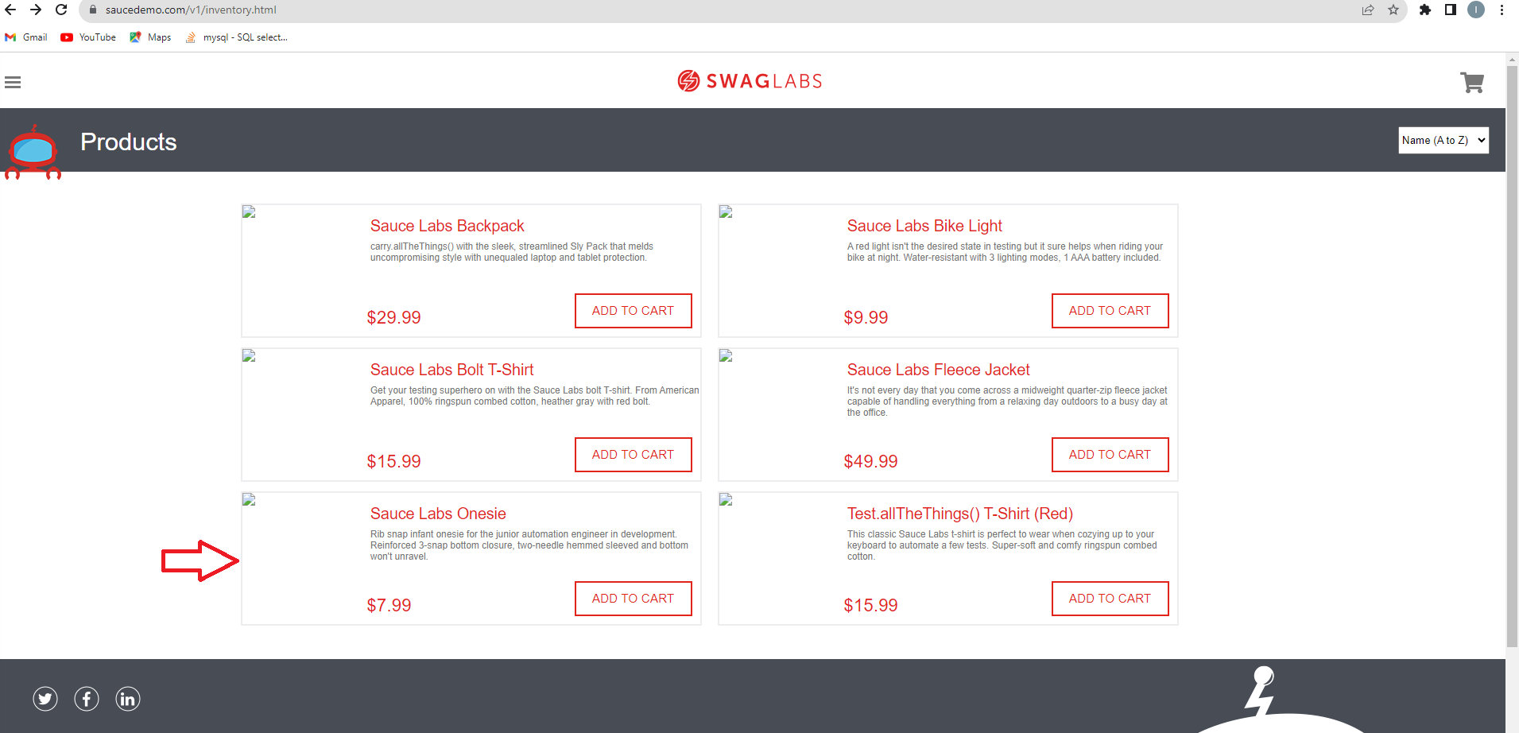
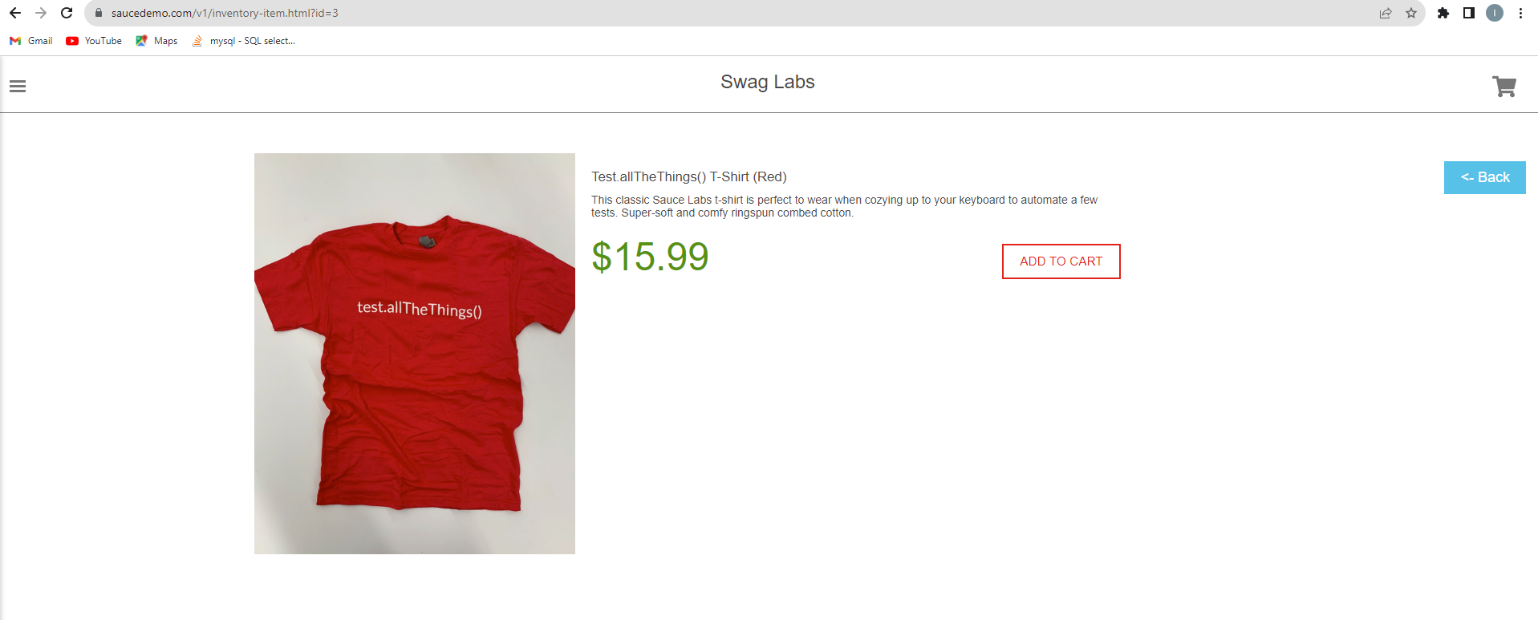
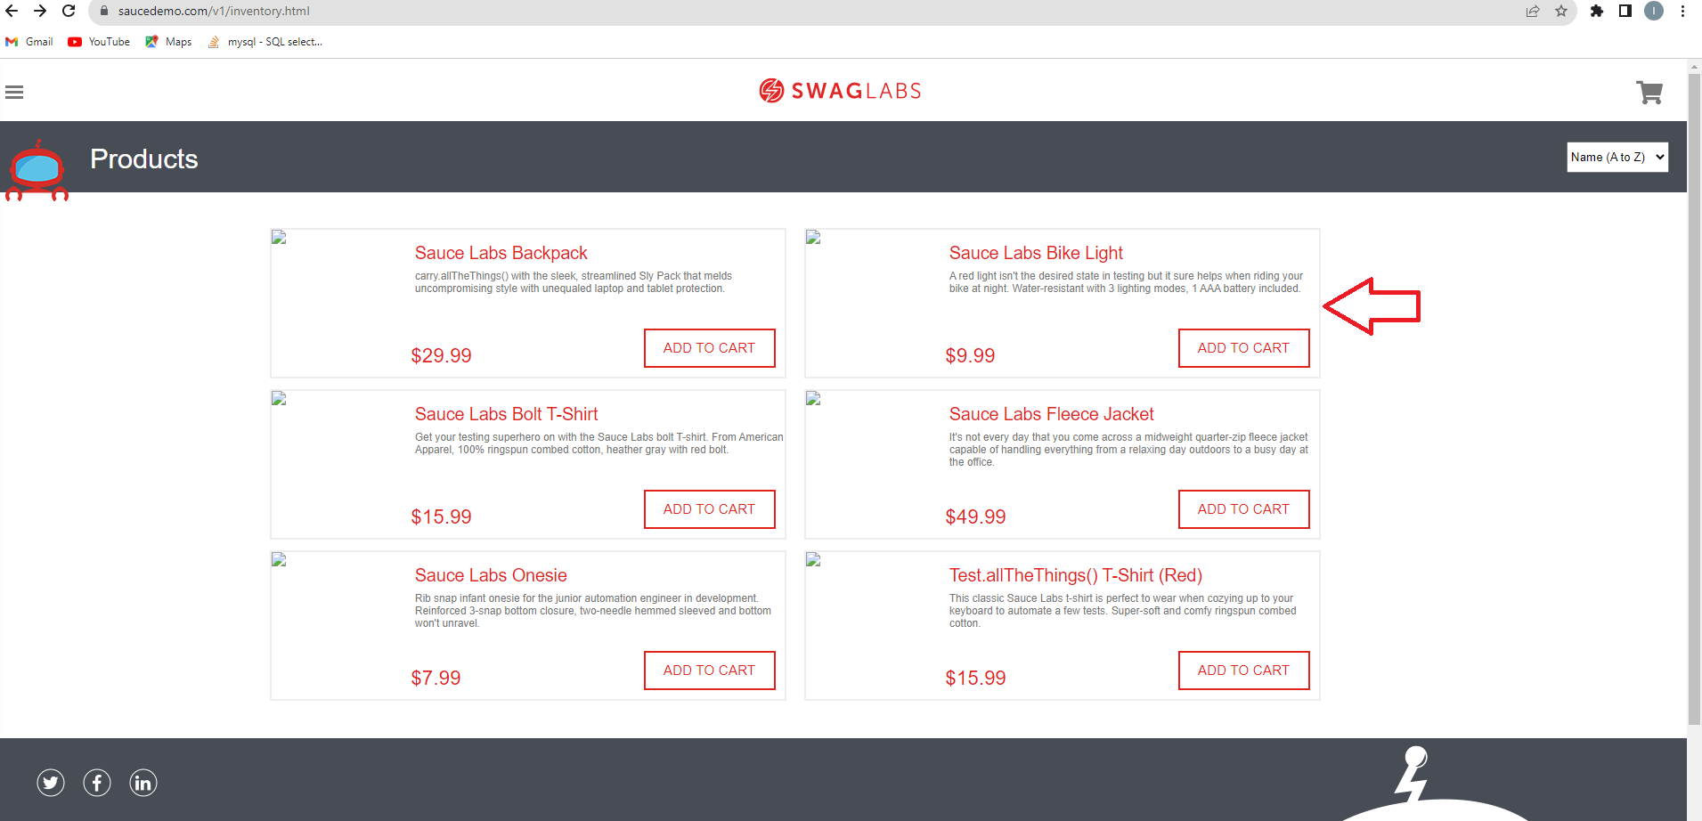
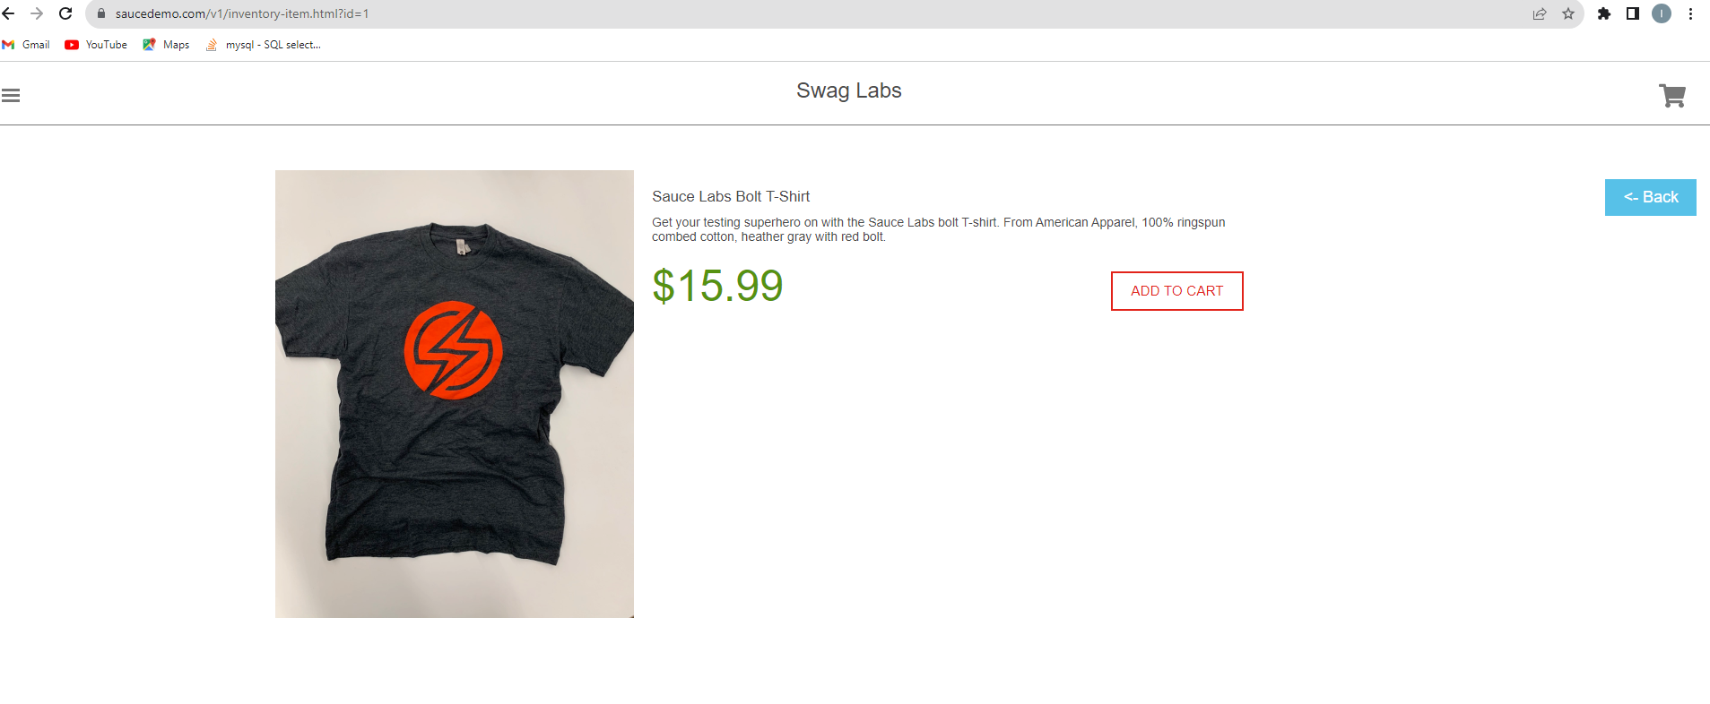
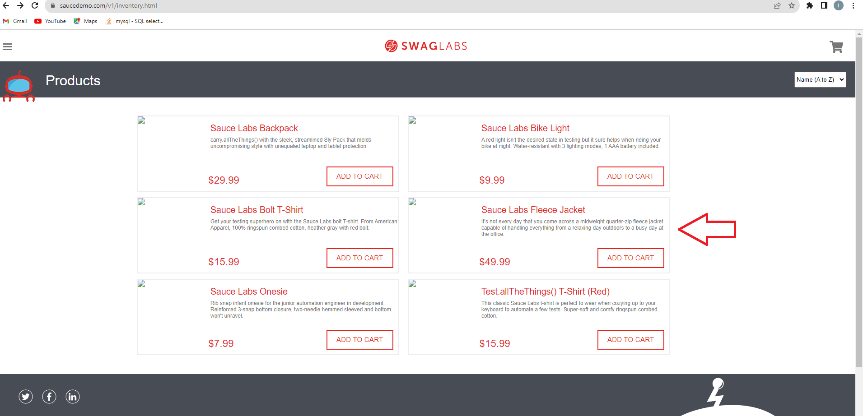
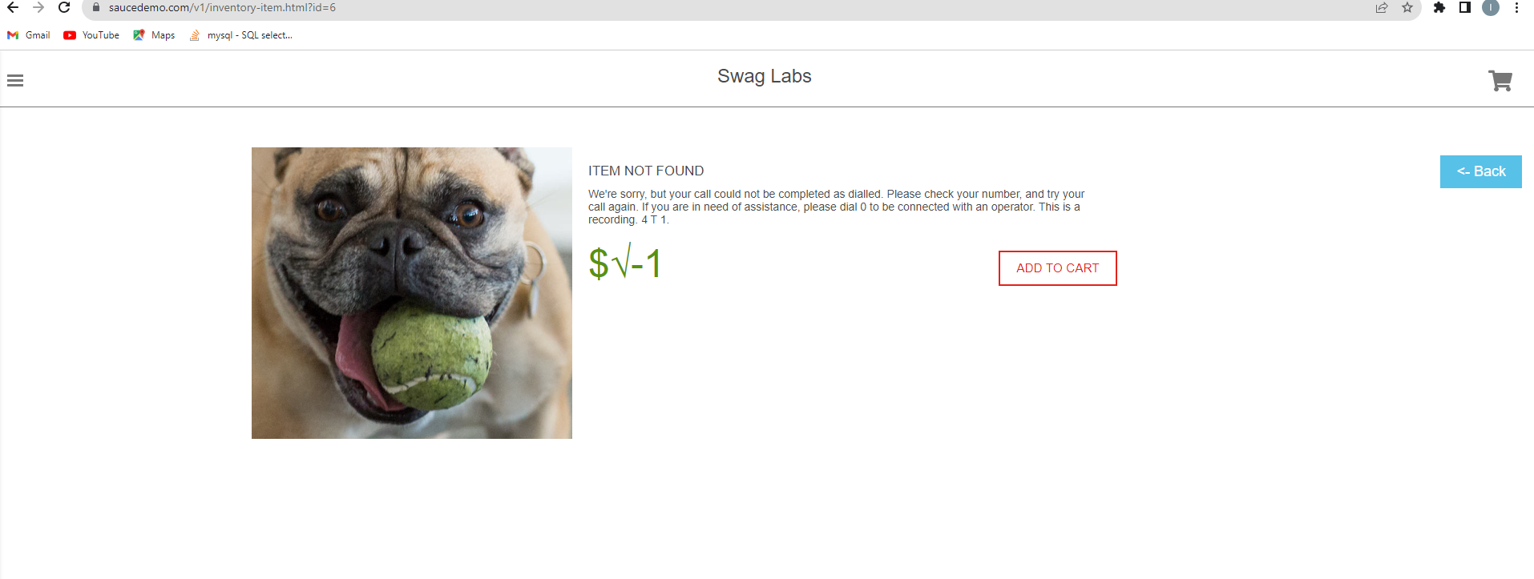
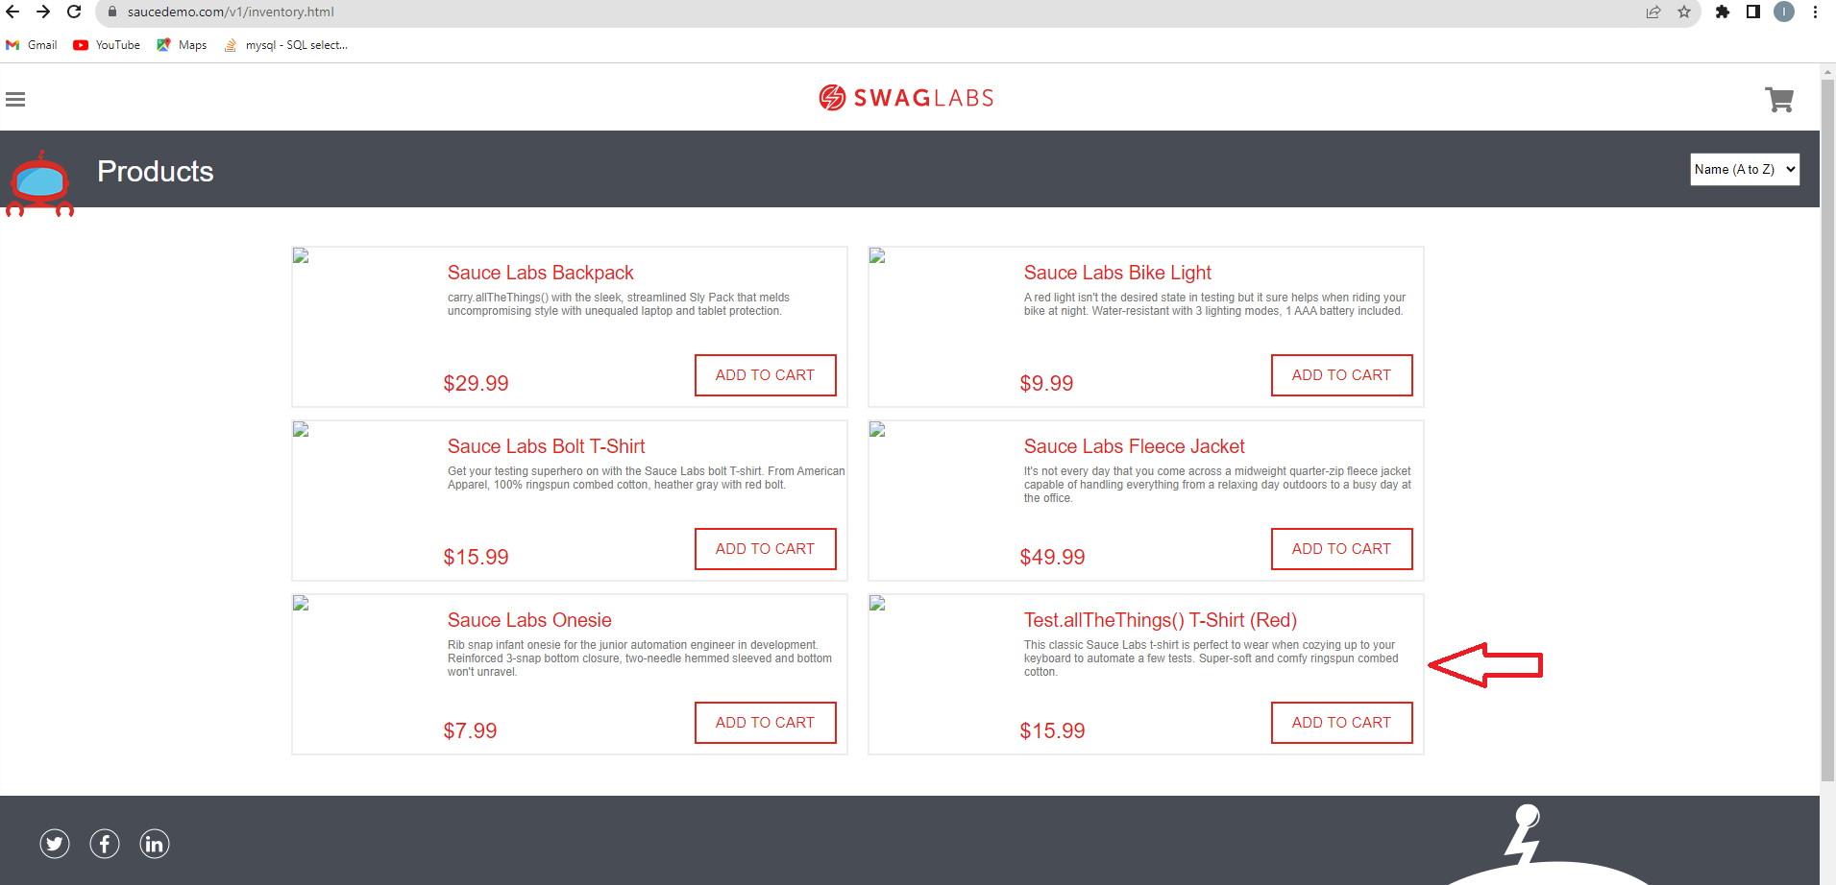
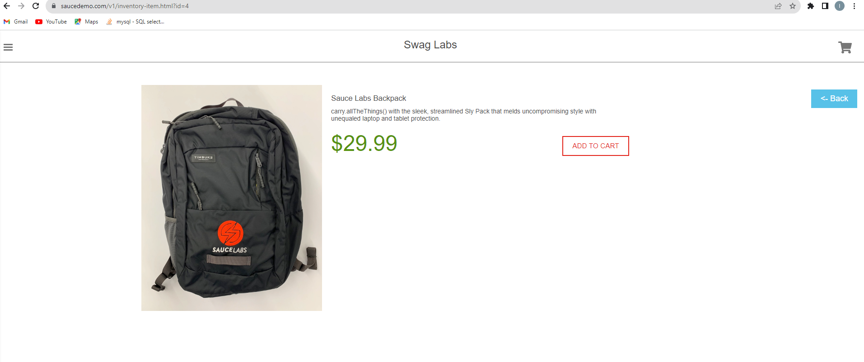
Bug report number | BUG006

Summary | Items on inventory page are not properly displayed for problem user

Description | After a logged in problem user selects/clicks on product to see , and accesses detailed information about selected item, informations are not consistent with those seen on Inventory page, and are false.
 | Product: Sauce Labs Backpack, click leads to information page about item: Sauce Labs Fleece Jacket; Product: Sauce Labs Bolt T-Shirt, click leads to information page about item: Sauce Labs Onesie; Product: Sauce Labs Onesie, click leads to information about item:Sauce Labs Bolt T-Shirt; Product: Dauce Labs Bike Light, click leads to information page about item: Sauce Labs Bolt T-Shirt; Product: Sauce Labs Fleece Jacket, click leads to information page about nonexisting item-picture of a dog, and unrelated text as description; Product Test.allThethings() T-Shirt Red, has the wrong name on inventory page, click leads to information page about item: Sauce Labs Backpack;
Steps to reproduce
1 | Open: https://www.saucedemo.com/v1/
2 | Login with valid credentials
3 | Choose product and click on it

Expected result | Proper informations about product are displayed

Actual result | Wrong informations about product are displayed

Priority | High

severity | High

Repro rate | 100%
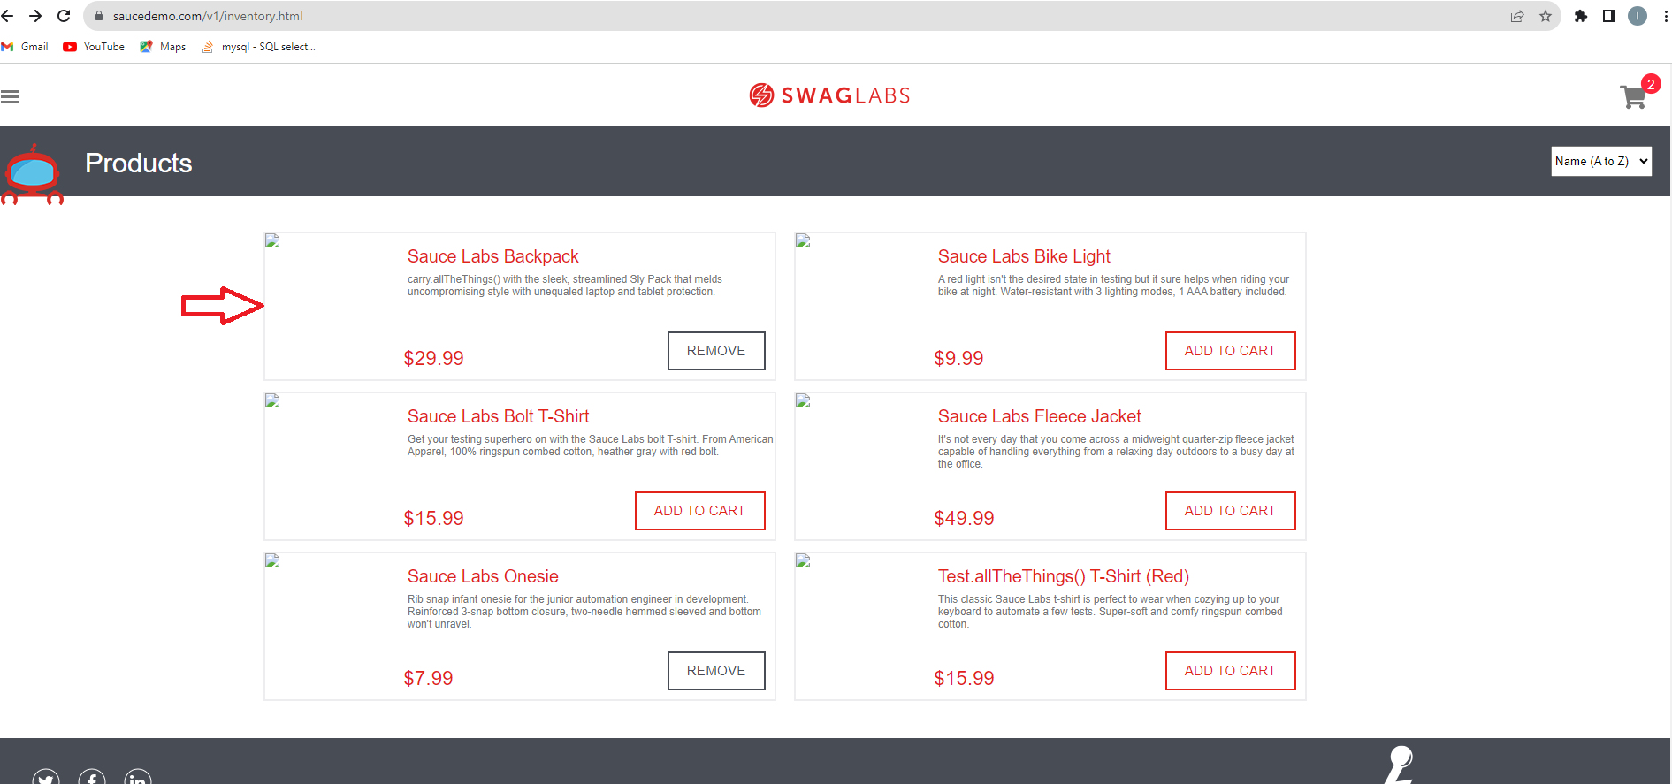
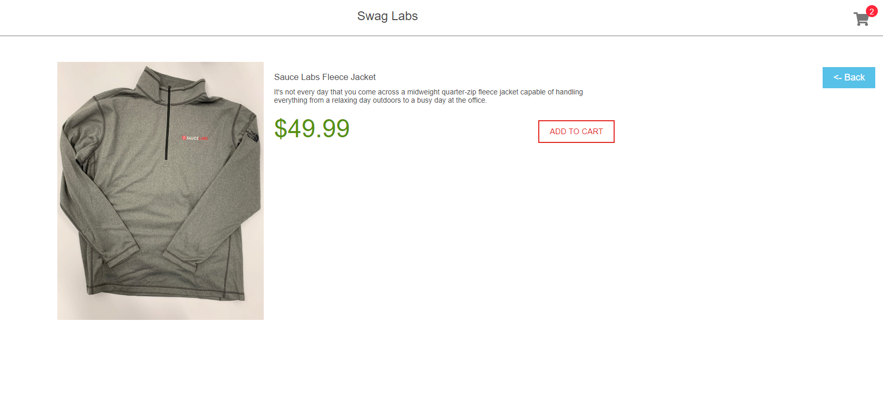
Screenshot

BUG007
Bug report number | BUG007

Summary | Sidebar menu options: "About" and "Reset App State" are not functional

Description | Loggedin problem user, on Inventory page, can choose from different options from sidebar menu, located in the upper left corner of the page. Options in the sidebar menu are: "All items", "About", "Logout" and "Reset App State". Options "All items" and "Logout" are working acording to expectance. "About" is responsive/clickable but directs user to an error page. "Reset App State" is not responsive/clickable.

Steps to reproduce
1 | Open: https://www.saucedemo.com/v1/
2 | Login with valid credentials
3 | Click on sidebar menu icon
4 | Select "All items"
5 | Select "About"
6 | Select "Logout"
7 | Select "Reset App State"

Expected result | All options from the sidebar menu are responsive/clickable and direct user to a page according to expectance.

Actual result | "About" option directs user to: https://saucelabs.com/error/404, instead of: https://saucelabs.com/error/, "Reset App state" is not responsive/clickable.

Priority | Low

severity | Low

Repro rate | 100%
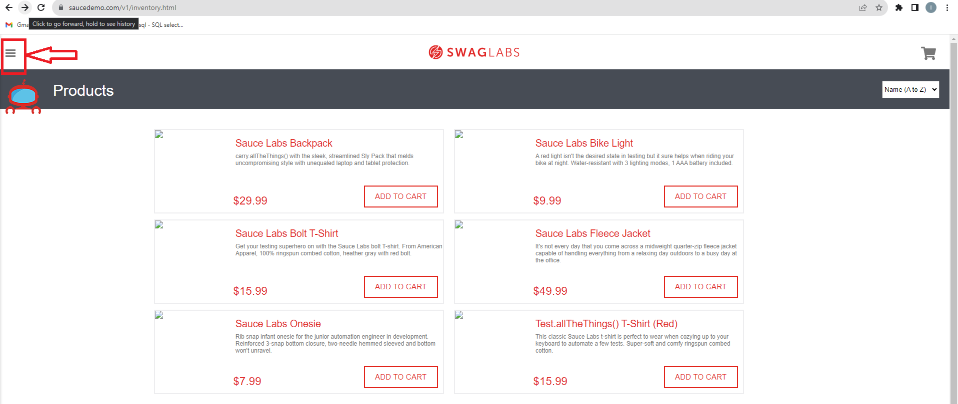
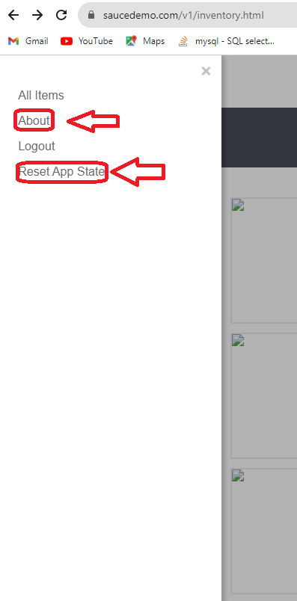
Screenshot

BUG008
Bug report number | BUG008

Summary | "ADD TO CART/REMOVE" functionality on Inventory page does not work properly

Description | Logged in problem user, on Inventory page, cannot add every product to his cart by clicking on "ADD TO CART" button. This button is functional only for products: "Sauce Labs BackPack", "Sauce Labs Onesie" and "Sauce Labs Bike Light". "REMOVE" button is not displayed for other products, and for the products listed is not functional.

Steps to reproduce
1 | Open: https://www.saucedemo.com/v1/
2 | Login with valid credentials
3 | Check if the cart is empty on the cart icon/empty the cart
4 | Click on "ADD TO CART" button for a product
5 | Check if the product was added to the cart
6 | Click on "REMOVE" button for a product
7 | Check if the product was removed from the cart

Expected result | User can add and remove products from the cart from Inventory page, by clicking on "ADD TO CART"/'REMOVE" buttons next to each product.

Actual result | User cannot add and remove products from the cart from Inventory page, by clicking on "ADD TO CART"/'REMOVE" buttons next to each product.

Priority | High

severity | High

Repro rate | 100%
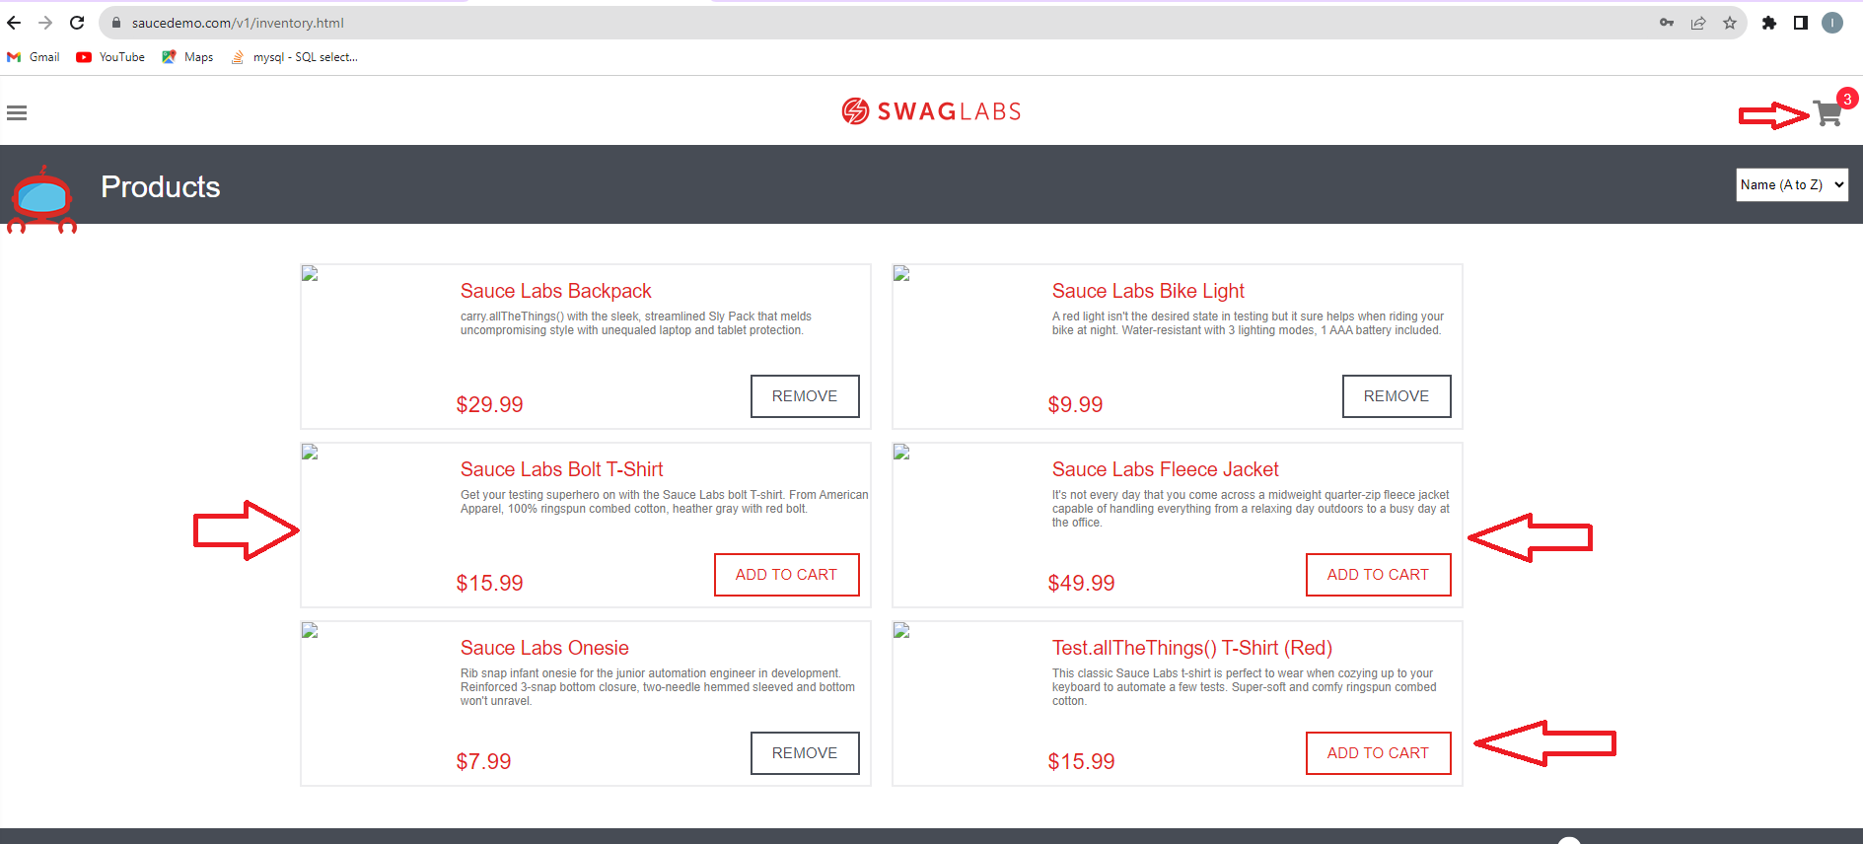
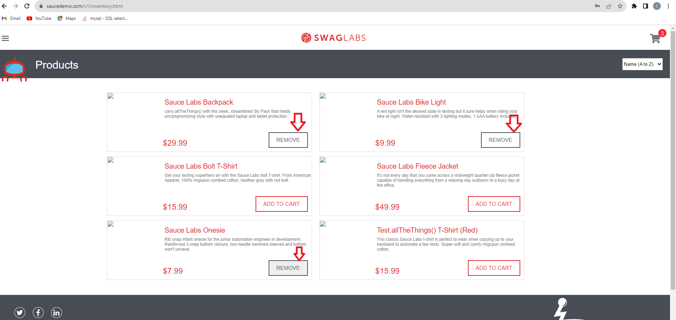
Screenshot

BUG009
Bug report number | BUG009

Summary | Inability to change amount of products in the cart

Description | After a logged in problem user adds product to the cart, and accesses his cart clicking on the cart icon, his product is displayed with a quantity 1 in QTY field. Trying to change number of products manually in QTY field is disabled, and also there are no other options for changing the number of the selected product in the cart.

Steps to reproduce
1 | Open: https://www.saucedemo.com/v1/
2 | Login with valid credentials
3 | Choose product and add it to the cart
4 | Open cart
5 | Try to change the quantity of product in the chart by manually entering 2 in QTY field

Expected result | Value of QTY field is 2

Actual result | Value of QTY field is 1

Priority | High

severity | High

Repro rate | 100%
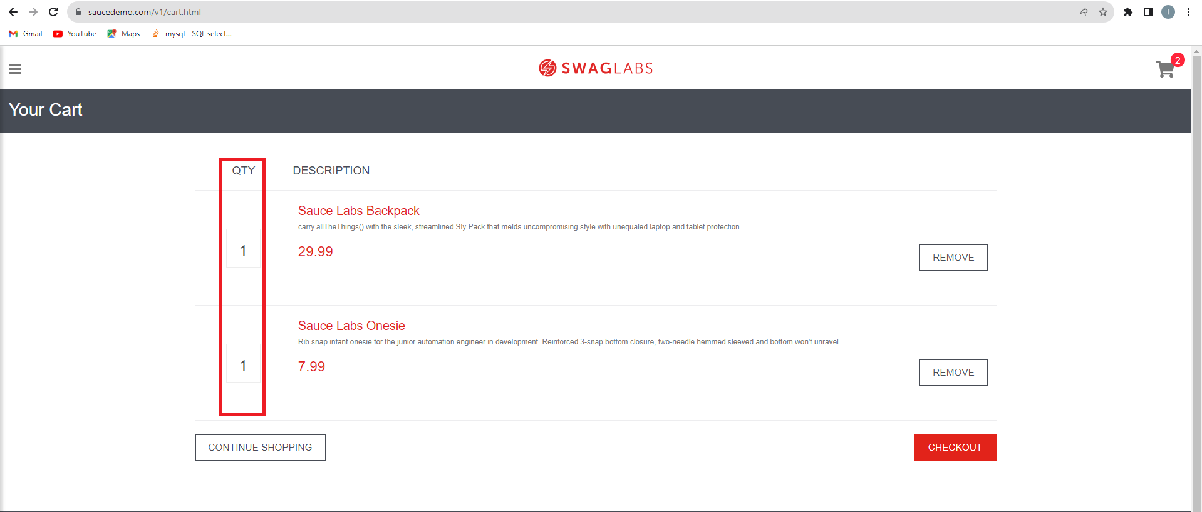
Screenshot

